Activity 2-Web browser
Defect 1
Summary: Combined tabletop material is not in the filters (Porcelain and tempered glass)

Severity: Medium
Priority: Low

Description:
Porcelain and tempered glass is missing in the tabletop Material List
Possible issue is that because it is a mix of porcelain and glass it is not tagged as any of the existing list

Browser Used: Google Chrome Version 89.0.4389.128 (desktop) and
Platform: Website- standard desktop browser and mobile browser Chrome Version 90

Steps to Reproduce:
1. Navigate to https://www.templeandwebster.com.au/Coffee-Tables-C1813538.html
2. Select "Free form" as the shape
3. Notice that there are 5 Results but on the table top material only Timber is enabled with 4 results
Expected Result: There should be only 4 results.

Screenshots:
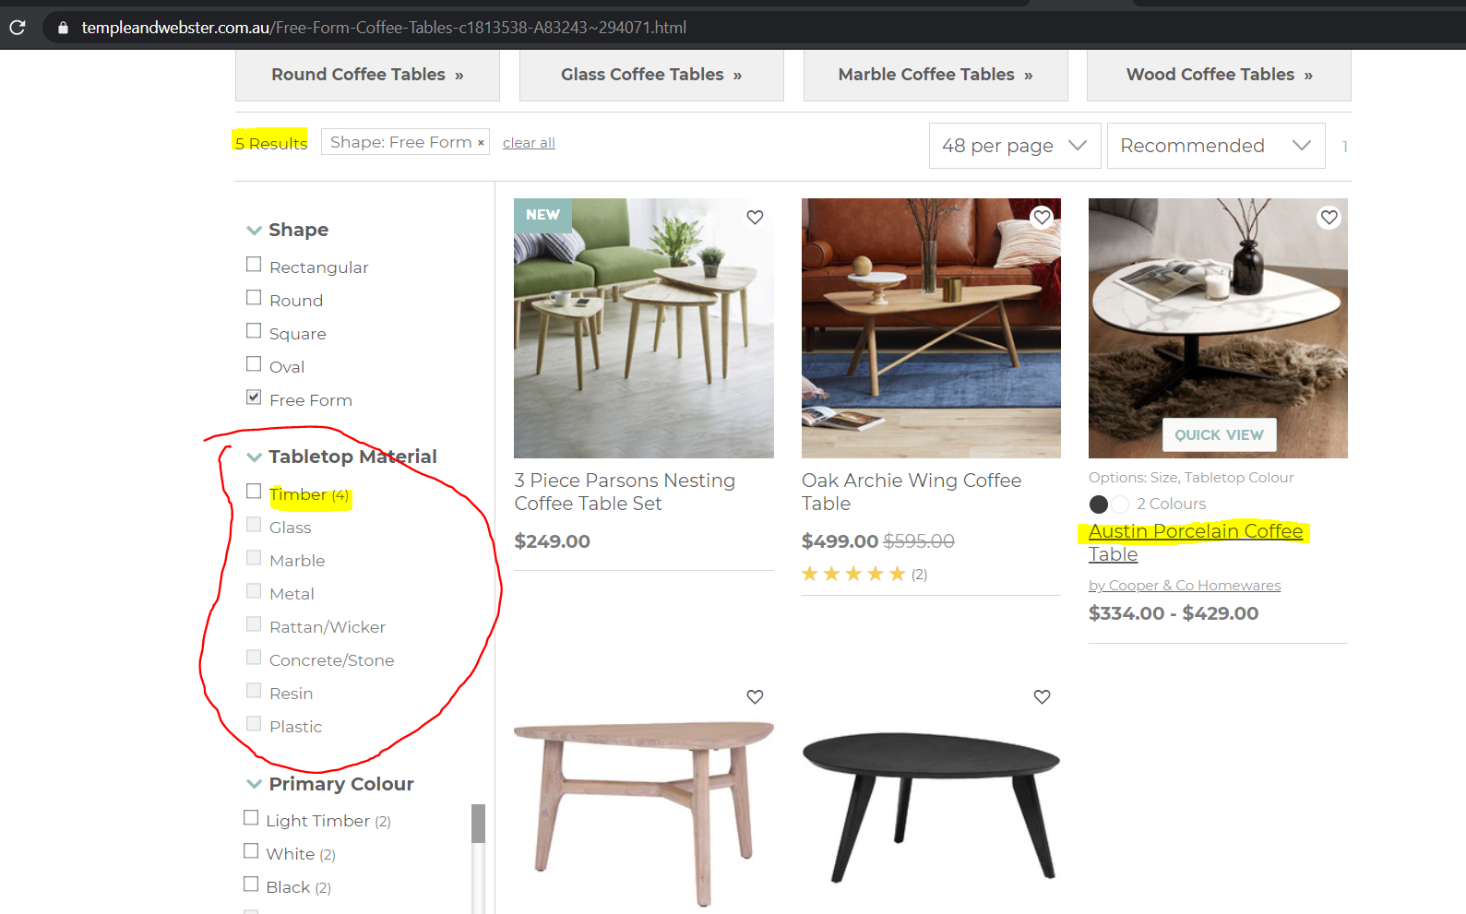

 |  |  |  | Austin Porcelain Coffee table

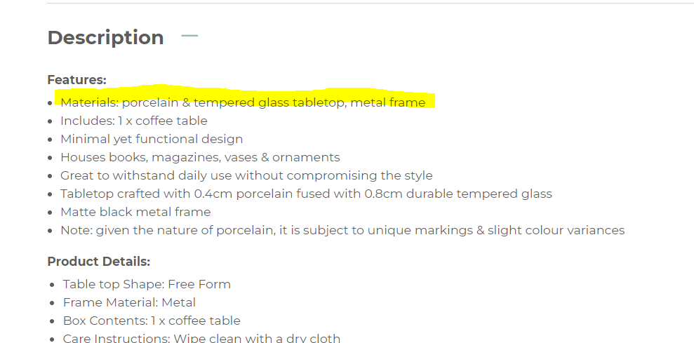

Defect 2:
Summary: Colour filter is incorrect

Severity: Medium
Priority: Medium

Description:
Colour does not filter correctly in certain combinations

Browser Used: Google Chrome Version 89.0.4389.128 (desktop) and
Platform: Website- standard desktop browser and mobile browser Chrome Version 90

Steps to Reproduce:
1. Navigate to https://www.templeandwebster.com.au/Coffee-Tables-C1813538.html
2. Select "Oval" as the shape
3. Select "Timber" as tabletop material
4. Select only "White" as the primary colour
Expected Result: The Dark Ashira coffee table should not be displayed as the primary colour is tagged as "Dark Timber"

Screenshots: |  |  |  |  | Dark Ashira Coffee table

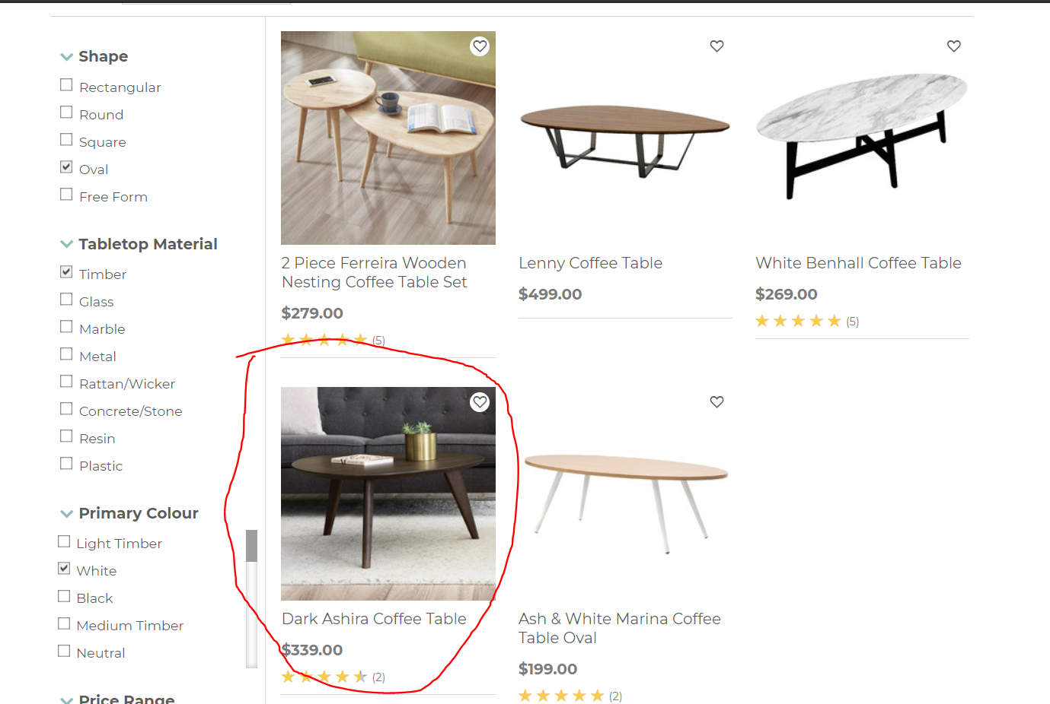
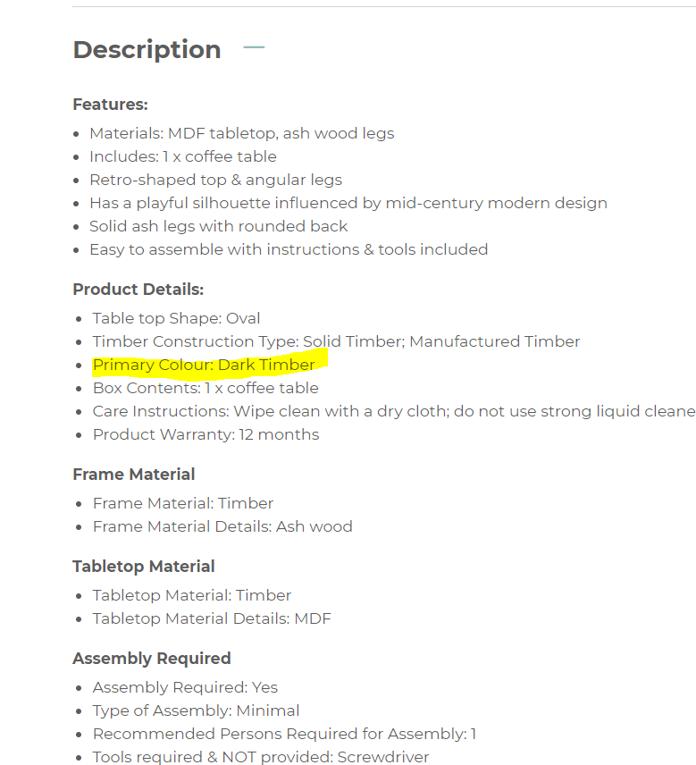

dark timber is not selected
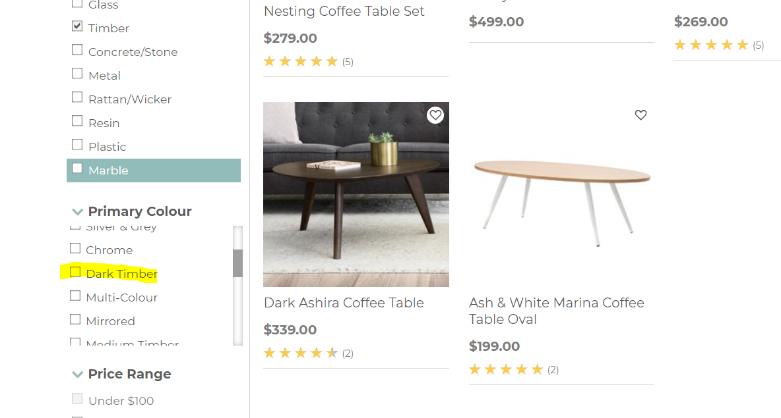

Defect No. 3
Summary: Possible Inconsistent behaviour of the price filter

Severity: Medium
Priority: Medium

Description:
Observed behaviour is that when a user selects a range of price, inputs a min to max price then press GO the range will not be considered and the min to max price takes precedent. This does not happen when the range 1000 and above is selected.
It seems that both are being considered in the filtering (I am not sure if this is intended or is in the requirements)

Browser Used: Google Chrome Version 89.0.4389.128
Platform: Website- standard desktop browser

Steps to Reproduce:
1. Navigate to https://www.templeandwebster.com.au/Coffee-Tables-C1813538.html
2. Select the Price range $250- $500 or any except $1000 and above, no other filters
3. Input 600-1000 in the min and max fields
4. Press GO
5. Notice that the check mark on the selected price range is removed/unchecked and the filtered items are within 600-1000 dollars
6. Refresh the page to remove all filters
7. Select the Price range $1000 and above
8. Input 6000-1000 in the min and max fields
9. Press GO
10. Notice that both values are considered in the filtering of displayed products - is this a specific requirement for 1000 and above?
Expected Result: Behaviour should be consistent with the other filters

I also noticed that when the user plays around with multiple price range, if there are entries in the min and max fields, it appears intermittently.

Screenshots

Filters 250-500 |  |  |  |  | Input of min and max values and pressing GO removes the check mark (I assume is the normal behaviour)
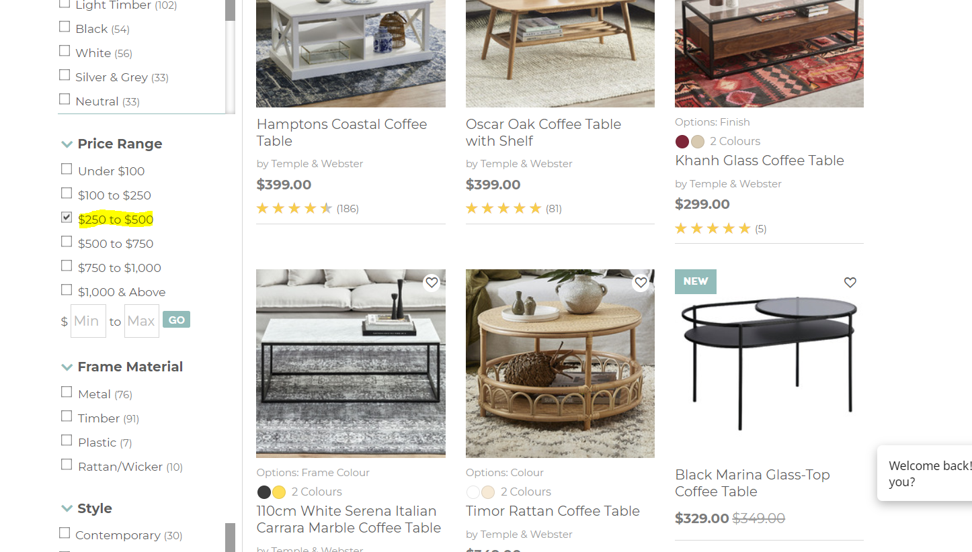
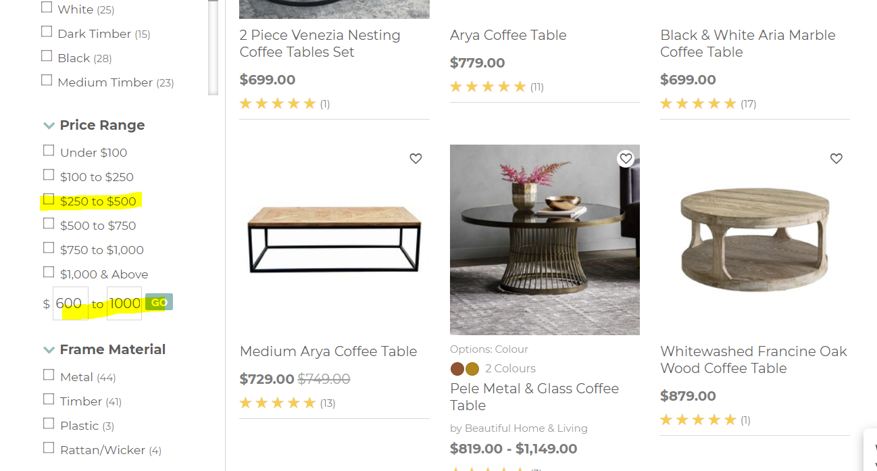

filter 1000 and above |  |  |  |  | Input of min and max values and pressing GO removes the check mark (different behaviour)
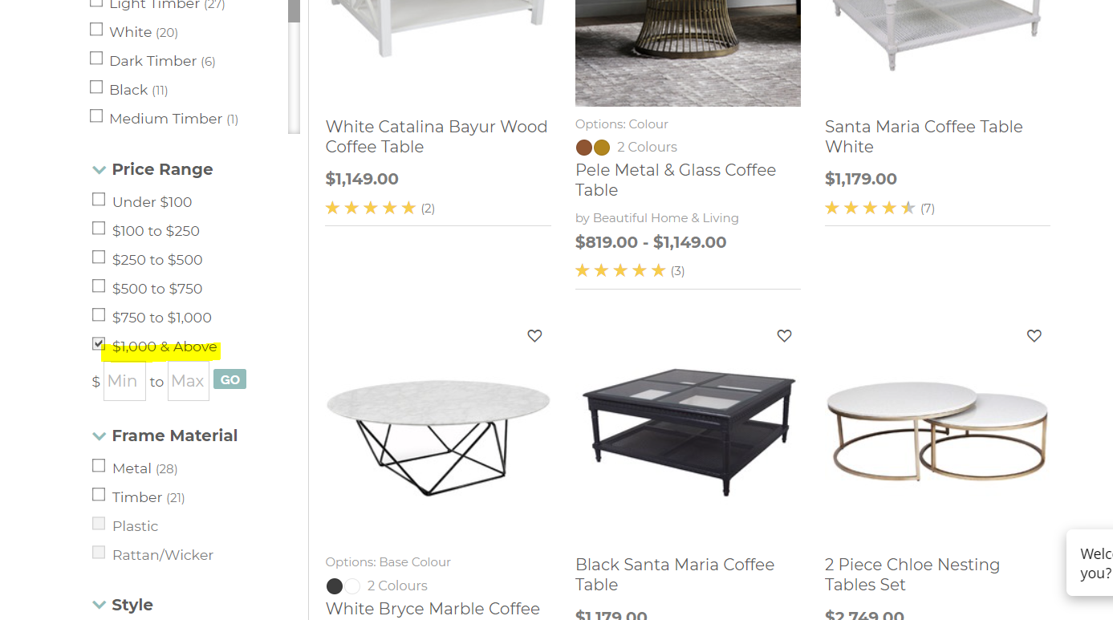
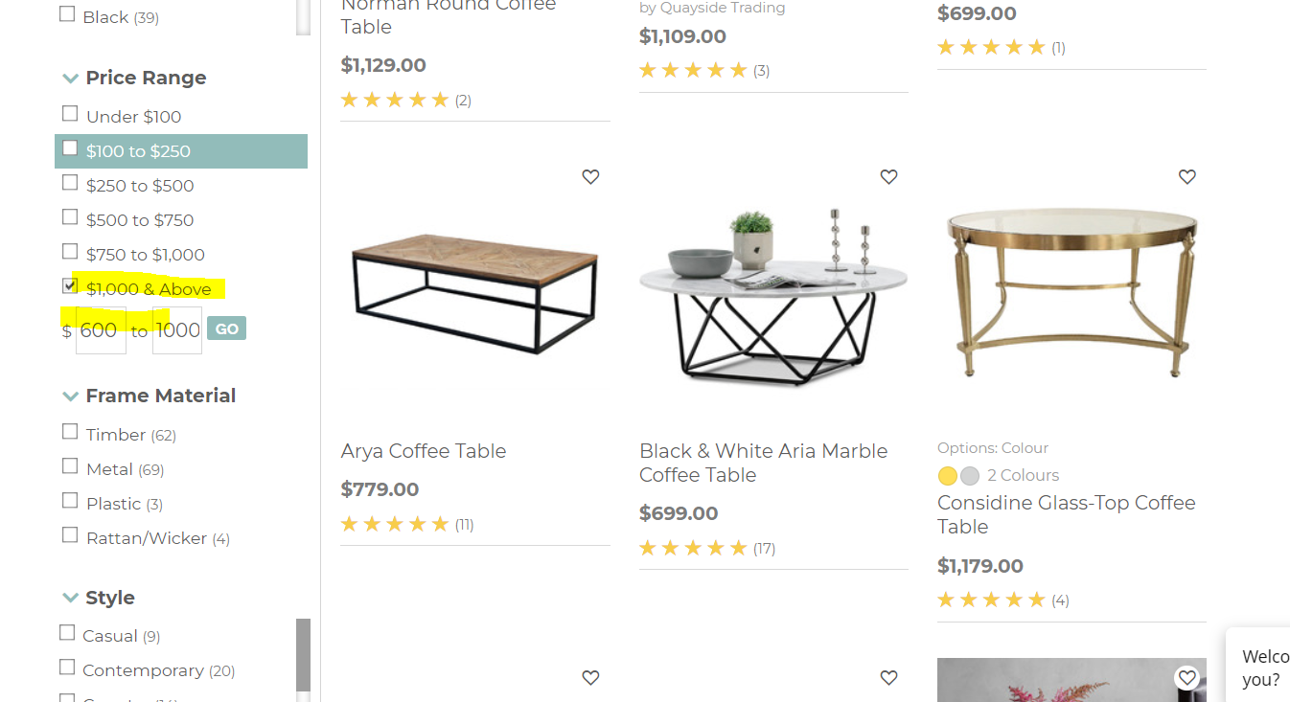

Defect No. 4
Summary: A minus 1 on the customer review filter for 3 stars and 4 stars review when they are tagged/checked

Severity: Medium
Priority: Low

Description:
Whenever user selects 4 stars and Up OR 3 stars and Up the number of items displayed next to the stars get a minus 1
Default for 4 stars and UP - 241
Default for 3 stars and UP - 249

When selected individually
4 stars and UP - 240
3 stars and UP - 248

Browser Used: Google Chrome Version 89.0.4389.128
Platform: Website- standard desktop browser

Steps to Reproduce:
1. Navigate to https://www.templeandwebster.com.au/Coffee-Tables-C1813538.html
2. Select 4 stars and UP on the customer rating filter. Do not select anything else
3. Notice that there numbers become 240 and it was 241 before
4. Repeat steps 1-2 for 3 stars and up this time
3. Notice that there numbers become 248 and it was 249 before
Expected Result: NO change in item count when it is checked/clicked

Screenshots:
Before |  |  | After
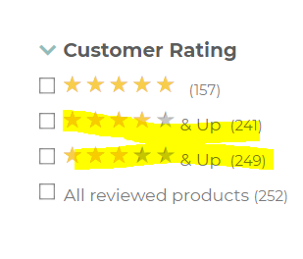
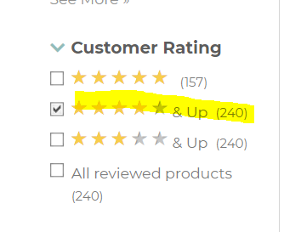

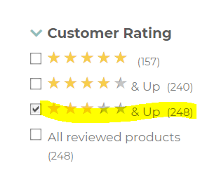

Defect No. 5 (Aesthetic)
Summary: The slider exceeds the allotted space for Overall Height, Overall Width and Overall Depth

Severity: low
Priority: Low

Description:
The slider can exceed farther than the allowed centimeters visually. It might be better if it is limited to the slider end

Browser Used: Google Chrome Version 89.0.4389.128
Platform: Website- standard desktop browser

Steps to Reproduce:
1. Navigate to https://www.templeandwebster.com.au/Coffee-Tables-C1813538.html
2. Extend the slider for height, width and depth as far as it can go
3. Notice that it extends further and beyond the maximum slider
Expected Result: Slider should not extend or go outside the line

Screenshots
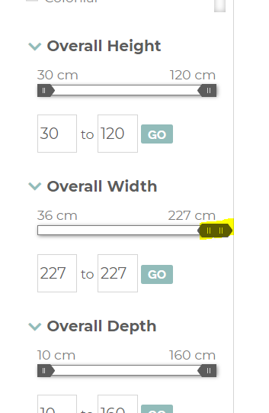

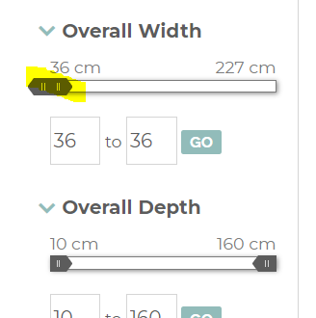

Defect No. 6 (Possibly related to Defect 1 and a possible defect)
Summary: The number for table shape and Table top material is not equal also is the total items

Severity: Medium
Priority: Low

Description:
On the assumption that only 1 tabletop material can be tagged per shape this is a defect as there are more items for tabletop material. If a coffee table can have multiple materials, then please reject this defect.

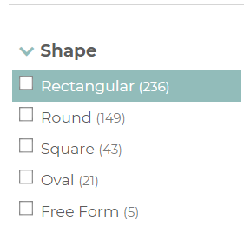
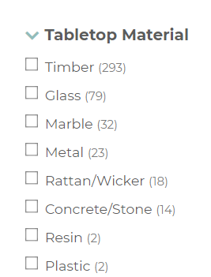

 | 236
 | 149
 | 43
 | 21
 | 5
Total | 454
 |  |  | 293
 |  |  | 79
 |  |  | 32
 |  |  | 23
 |  |  | 18
 |  |  | 14
 |  |  | 2
 |  |  | 2
 |  | Total | 463

Browser Used: Google Chrome Version 89.0.4389.128 (desktop) and
Platform: Website- standard desktop browser and mobile browser Chrome Version 90

Steps to Reproduce:
1. Navigate to https://www.templeandwebster.com.au/Coffee-Tables-C1813538.html
2. Check on the number of items on the shape and tabletop material. There are more for the tabletop material
3. Notice also that there are a total of 455 results, there are only 453 for table shape
Expected Result: The results should tally.

Activity 2- Mobile
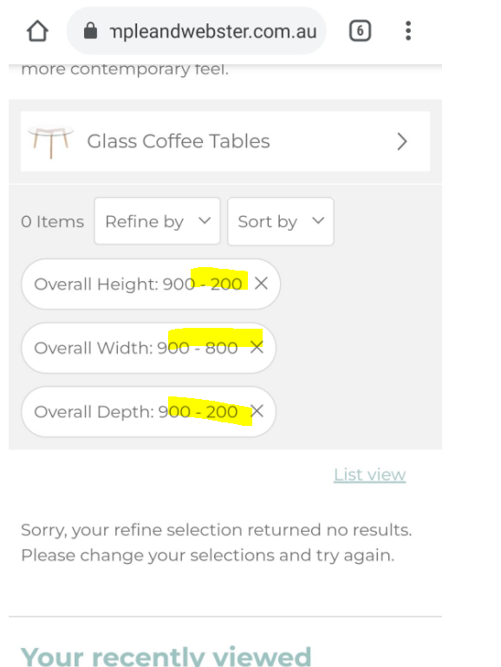
Notes:
Defect 1 is also applicable in mobile
Defect 2 is also applicable in mobile
Defect 6 is also applicable in mobile

Defect No. 7
Summary: User is allowed to enter a number higher than the maximum for the height, width and depth

Severity: medium
Priority: Low

Description:
User is allowed to enter a number higher than the maximum for the height, width and depth.
There is no result but if possible the user should be prompted with some message like "The minimum cannot be greater than the maximum. This does not happen in the desktop browser because the slider automatically goes back to the default.

Browser Used: mobile browser Chrome Version 90
Platform: Mobile- standard mobile browser

Steps to Reproduce:
1. Using a standard mobile browser navigate to https://www.templeandwebster.com.au/Coffee-Tables-C1813538.html
2. Tap refine by
3. Enter the following on Overall Height: min 900 max 200
4. Enter the following on Overall Width: min 900 max 200
5. Enter the following on Overall Depth: min 900 max 200
6. Tap APPLY
7. Notice that user is allowed to have a min value more than the max value
Expected Result: User should not be allowed to input or is prompted that the values are not allowed

Screenshot:

